Sheet1
Code | Name | RRP | Units | Barcode | Platform | C.O.O | Commodity Code
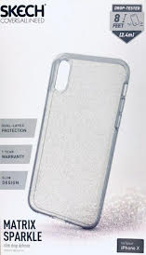
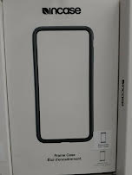
GB44256 | Griffin Reveal for Galaxy S9+ - Clear Color | £9.99 | 3560 | 685387452248 | Phone Cases | China | 39269097
GB44240 | Griffin Reveal for Samsung Galaxy S9 - Clear Color | £9.99 | 3602 | 685387451937 | Phone Cases | China | 39269097
TA44243 | Griffin Survivor Clear Case for Samsung Galaxy S9+ | £9.99 | 2091 | 685387452279 | Phone Cases | China | 39269097
GB43573 | Griffin Screen Carefor Samsung Galaxy S8+ - Clear Color | £9.99 | 1620 | 685387445257 | Phone Cases | China | 39269097
SA-824-BLK | Incipio Esquire Series for Samsung Galaxy S8 - Black | £9.99 | 1196 | 191058017611 | Phone Cases | China | 39269097
SK29-MTX-PRP | Skech Matrix Colour iPhone XS/X Purple | £9.99 | 455 | 811090029846 | Phone Cases | China | 39269097
SK39-MTX-FSPK | Skech Matrix iPhone XS Max Clear Sparkle | £9.99 | 412 | 852602008355 | Phone Cases | China | 39269097
SK29-MTX-PNK | Skech Matrix Colour iPhone XS/X Pink | £9.99 | 408 | 811090029839 | Phone Cases | China | 39269097
SA-918-BLU | Incipio Esquire Series Case For Samsung Galaxy S9 Blue | £9.99 | 402 | 191058061249 | Phone Cases | China | 39269097
CL60302 | Incase Protective and Flexible Frame for Apple iPad Case | £9.99 | 542 | 650450150031 | Phone Cases | China | 39269097
SK29-MTX-NSPK | Skech Matrix Spark iPhone XS/X Night Sparkle | £9.99 | 502 | 811090029778 | Phone Cases | China | 39269097
SK39-SW-BLK | Skech Swift iPhone XS Max Black | £9.99 | 555 | 852602008546 | Phone Cases | China | 39269097
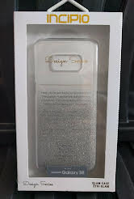
SA-928-BLU | Incipio Esquire Series Carnaby Case For Samsung Galaxy S9 + | £9.99 | 342 | 191058061553 | Phone Cases | China | 39269097
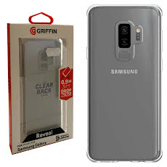
SA-841-PSM | Incipio Design Series Samsung Galaxy S8 - Silver Prism | £9.99 | 323 | 191058017574 | Phone Cases | China | 39269097
SA-930-HRT | Incipio Tiny Hearts Classic Case for Samsung Galaxy S9+ | £9.99 | 515 | 191058061577 | Phone Cases | China | 39269097
SA-840-SPK | Incipio Design Series Spring Sparkle Case Samsung Galaxy S8 | £9.99 | 518 | 191058017505 | Phone Cases | China | 39269097
SA-841-DML | Incipio Design Seriesfor Samsung Galaxy S8 Dipped Multi | £9.99 | 444 | 191058017581 | Phone Cases | China | 39269097
SA-852-BLK | Incipio Carnaby for Samsung Galaxy S8+ Black | £9.99 | 391 | 191058018120 | Phone Cases | China | 39269097
SA-840-RSE | Incipio Design Series for Samsung Galaxy S8 - Cool Blossom | £9.99 | 510 | 191058017543 | Phone Cases | China | 39269097
SA-824-BLU | Incipio Esquire Series Case for Samsung Galaxy S8 - Blue | £9.99 | 482 | 191058017598 | Phone Cases | China | 39269097
TA44233 | Griffin Tint Survivor Strong for Samsung Galaxy S9 - Smoke/C | £9.99 | 460 | 685387452026 | Phone Cases | China | 39269097
SK39-MTX-FLM | Skech Matrix iPhone XS Max Transparent | £9.99 | 433 | 852602008324 | Phone Cases | China | 39269097
SK29-MTX-RGLD | Skech Matrix Colour iPhone XS/X Rose Gold | £9.99 | 409 | 811090027330 | Phone Cases | China | 39269097
TA44257 | Griffin Survivor Clear Wallet Case for Samsung Galaxy S9+ | £9.99 | 253 | 685387452255 | Phone Cases | China | 39269097
TA43974 | Griffin Survivor Fit - Black/Black - iPhone 8 Plus, 7+, 6s+, | £9.99 | 192 | 685387449033 | Phone Cases | China | 39269097
SK29-MTX-FSPK | Skech Matrix Spark iPhone XS/X Clear Sparkle | £9.99 | 188 | 852602008515 | Phone Cases | China | 39269097
SA-934-CGY | Incipio NGP Folio for Galaxy S9+ - Clear/Gray | £9.99 | 155 | 191058061713 | Phone Cases | China | 39269097
SA-933-CLR | Incipio NGP for Galaxy S9+ - Clear | £9.99 | 151 | 191058061676 | Phone Cases | China | 39269097
CSIP87FLFBL | iPhone 8/7/6 Roses Folio Case + Screen Protector | £9.99 | 135 | 5030578478326 | Phone Cases | China | 39269097
TA43864 | Griffin Survivor Prime - Brown Leather - iPhone 8 Plus, 7+, | £9.99 | 81 | 685387447916 | Phone Cases | China | 39269097
 |  |  | 21327

